Sheet1
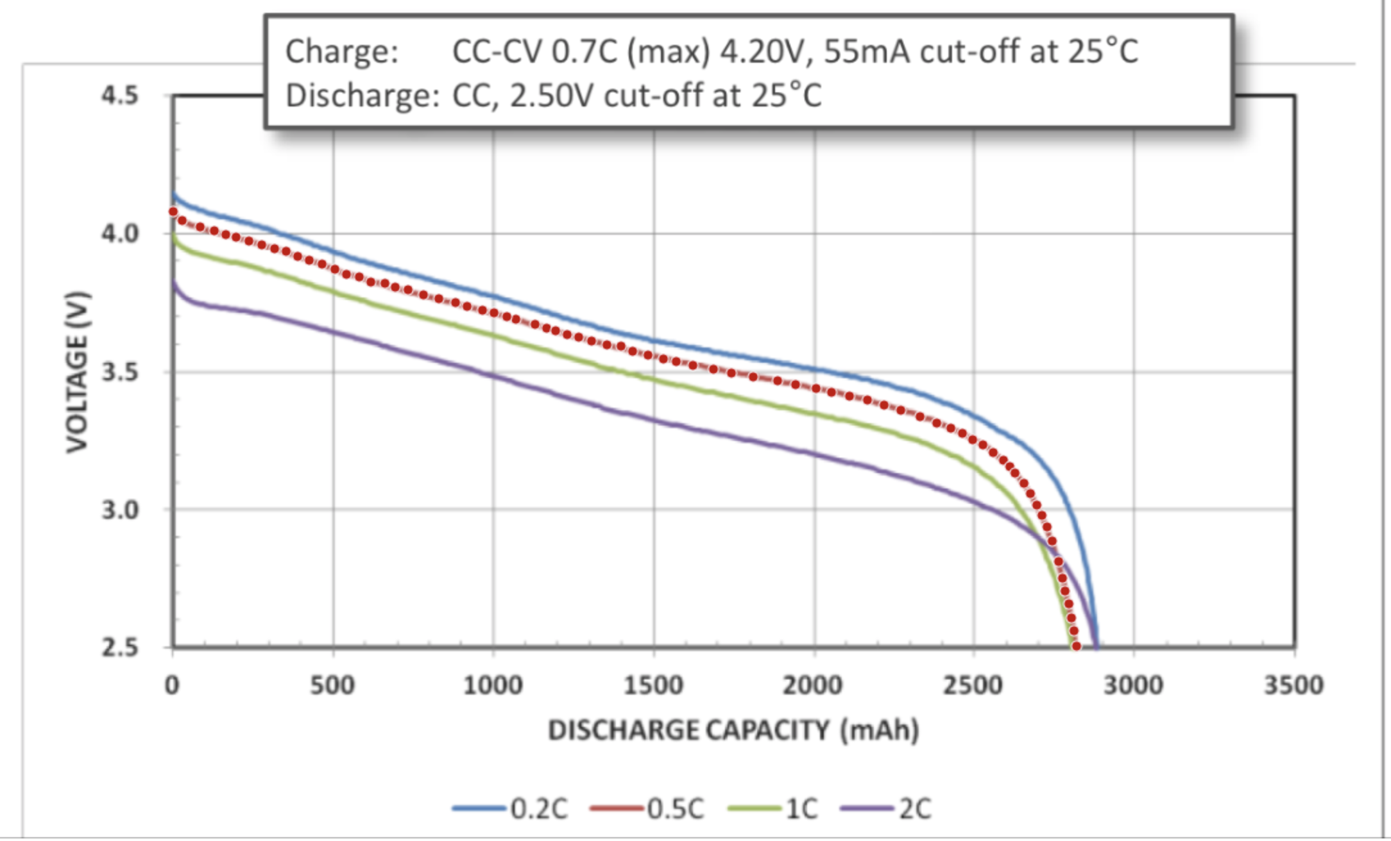
Discharge, 0.5C (mAh) | Voltage (V) | Energy Incrament (J) | Incrament (J) | Pack voltage | Consumption (J) | Odometer (km) | Pack Voltage (V) | Consumption
3.1683457439 | 4.08235177 | 0 | 0 | 146.96466372 | 0.00E+00 | 0 | 146.8775 | 3.950E+04
31.135268586 | 4.0498320923 | 409.37788551 | 409.37788551 | 145.79395532 | 5.31E+05 | 9.5 | 143.8277 | 3.302E+06
87.152736299 | 4.026555967 | 814.35385322 | 1223.7317387 | 144.95601481 | 1.59E+06 | 18.2 | 144.047 | 2.955E+06
131.1750886 | 4.0125764876 | 637.022738 | 1860.7544767 | 144.45275355 | 2.41E+06 | 28 | 142.514 | 5.304E+06
167.18830884 | 3.9986076269 | 519.31536828 | 2380.069845 | 143.94987457 | 3.08E+06 | 37 | 141.7035 | 6.631E+06
199.2062544 | 3.9892844344 | 460.36060758 | 2840.4304526 | 143.61423964 | 3.68E+06 | 47 | 142.954 | 4.656E+06
239.22404067 | 3.9753102643 | 573.70580712 | 3414.1362597 | 143.11116951 | 4.42E+06 | 53.7 | 140.8454 | 7.558E+06
279.24182694 | 3.9613360942 | 571.69263185 | 3985.8288916 | 142.60809939 | 5.17E+06 | 63.5 | 140.9638 | 7.404E+06
319.25961321 | 3.9473619241 | 569.67945658 | 4555.5083481 | 142.10502927 | 5.90E+06 | 73.3 | 137.8786 | 1.122E+07
355.2821248 | 3.9380334223 | 511.29314133 | 5066.8014895 | 141.7692032 | 6.57E+06 | 83.6 | 140.4638 | 8.076E+06
391.2860537 | 3.9194242026 | 509.2188223 | 5576.0203118 | 141.09927129 | 7.23E+06 | 93.5 | 138.4294 | 1.068E+07
427.29927395 | 3.9054553419 | 507.23839876 | 6083.2587105 | 140.59639231 | 7.88E+06 | 101.9 | 136.559 | 1.364E+07
467.31706022 | 3.8914811718 | 561.62905017 | 6644.8877607 | 140.09332218 | 8.61E+06 | 112.3 | 137.8157 | 1.128E+07
507.32555516 | 3.8728666428 | 559.1517664 | 7204.0395271 | 139.42319914 | 9.34E+06 | 119.1 | 137.4167 | 1.232E+07
543.32948407 | 3.8542574231 | 500.77228596 | 7704.8118131 | 138.75326723 | 9.99E+06 | 127.7 | 133.542 | 1.836E+07
583.35656167 | 3.8449236119 | 554.71629027 | 8259.5281033 | 138.41725003 | 1.07E+07 | 136.7 | 134.2939 | 1.709E+07
619.36049058 | 3.8263143923 | 497.15047393 | 8756.6785773 | 137.74731812 | 1.13E+07 | 142.6 | 135.0366 | 1.605E+07
663.40142556 | 3.8216156307 | 606.27957989 | 9362.9581572 | 137.5781627 | 1.21E+07 | 149.8 | 133.3955 | 1.856E+07
695.41007977 | 3.8076520793 | 439.56466569 | 9802.5228228 | 137.07547485 | 1.27E+07 | 159.1 | 135.296 | 1.560E+07
735.43715738 | 3.7983182681 | 548.0005777 | 10350.523401 | 136.73945765 | 1.34E+07 | 169.6 | 132.4636 | 1.993E+07
783.45478437 | 3.7796931204 | 654.98062356 | 11005.504024 | 136.06895234 | 1.43E+07 | 175.9 | 132.7268 | 1.952E+07
831.4817027 | 3.7657083317 | 652.28828274 | 11657.792307 | 135.56549994 | 1.51E+07 | 183.3 | 131.5137 | 2.121E+07
883.51318706 | 3.7517182336 | 704.05715293 | 12361.84946 | 135.06185641 | 1.60E+07 | 193.5 | 130.6039 | 2.250E+07
919.52640731 | 3.7377493728 | 485.49572356 | 12847.345183 | 134.55897742 | 1.67E+07 | 203.1 | 128.6545 | 2.551E+07
967.55332563 | 3.7237645841 | 645.03633856 | 13492.381522 | 134.05552503 | 1.75E+07 | 213.3 | 127.7914 | 2.688E+07
1003.5758372 | 3.7144360822 | 482.29680536 | 13974.678327 | 133.71969896 | 1.81E+07 | 224.5 | 128.9526 | 2.522E+07
1043.5936235 | 3.7004619122 | 534.11004571 | 14508.788373 | 133.21662884 | 1.88E+07 | 233.2 | 128.3606 | 2.598E+07
1071.607003 | 3.691144029 | 372.71495255 | 14881.503326 | 132.88118504 | 1.93E+07 | 242.4 | 126.8448 | 2.857E+07
1131.6383281 | 3.6725029533 | 795.68907435 | 15677.1924 | 132.21010632 | 2.03E+07 | 247.5 | 125.6348 | 3.097E+07
1167.6515483 | 3.6585340926 | 475.22565316 | 16152.418053 | 131.70722733 | 2.09E+07 | 252.7 | 123.8648 | 3.471E+07
1195.6649279 | 3.6492162094 | 368.48660882 | 16520.904662 | 131.37178354 | 2.14E+07 | 258.2 | 123.7225 | 3.496E+07
1231.6781481 | 3.6352473487 | 472.20658286 | 16993.111245 | 130.86890455 | 2.20E+07 | 263.6 | 124.6859 | 3.313E+07
1267.7006597 | 3.6259188468 | 470.81779806 | 17463.929043 | 130.53307849 | 2.26E+07 | 266.8 | 124.9801 | 3.250E+07
1307.718446 | 3.6119446767 | 521.357896 | 17985.286939 | 130.03000836 | 2.33E+07 | 267.4 | 124.9 | 3.269E+07
1355.7453643 | 3.597959888 | 623.28509584 | 18608.572035 | 129.52655597 | 2.41E+07
1399.7862993 | 3.5932611264 | 570.07457474 | 19178.646609 | 129.35740055 | 2.49E+07
1435.7902282 | 3.5746519067 | 464.53145627 | 19643.178066 | 128.68746864 | 2.55E+07
1483.8171465 | 3.560667118 | 616.83729129 | 20260.015357 | 128.18401625 | 2.63E+07
1531.8440648 | 3.5466823292 | 614.41936458 | 20874.434721 | 127.68056385 | 2.71E+07
1571.8711424 | 3.537348518 | 510.39549451 | 21384.830216 | 127.34454665 | 2.77E+07
1623.9026268 | 3.5233584199 | 661.28231267 | 22046.112529 | 126.84090312 | 2.86E+07
1687.9478092 | 3.5093523938 | 810.74024484 | 22856.852774 | 126.33668618 | 2.96E+07
1743.9838596 | 3.4953569864 | 706.52924598 | 23563.382019 | 125.83285151 | 3.05E+07
1812.0336081 | 3.481345651 | 854.57314733 | 24417.955167 | 125.32844344 | 3.16E+07
1888.0924886 | 3.4673236969 | 951.31442115 | 25369.269588 | 124.82365309 | 3.29E+07
1944.128539 | 3.4533282895 | 698.05080614 | 26067.320394 | 124.31981842 | 3.38E+07
2008.1737214 | 3.4393222634 | 794.5939119 | 26861.914306 | 123.81560148 | 3.48E+07
2056.2006398 | 3.4253374746 | 593.43921467 | 27455.353521 | 123.31214909 | 3.56E+07
2112.2366902 | 3.4113420672 | 689.58093469 | 28144.934455 | 122.80831442 | 3.65E+07
2168.2727405 | 3.3973466598 | 686.75764421 | 28831.6921 | 122.30447975 | 3.74E+07
2220.2949336 | 3.3787162028 | 634.51017028 | 29466.20227 | 121.6337833 | 3.82E+07
2272.3171266 | 3.3600857458 | 631.02106025 | 30097.22333 | 120.96308685 | 3.90E+07
2332.3391603 | 3.3368043112 | 723.52972972 | 30820.75306 | 120.1249552 | 3.99E+07
2384.352062 | 3.3135334953 | 622.62605969 | 31443.37912 | 119.28720583 | 4.08E+07
2428.365123 | 3.2949136569 | 523.5443773 | 31966.923497 | 118.61689165 | 4.14E+07
2464.3690519 | 3.2763044373 | 425.86140439 | 32392.784901 | 117.94695974 | 4.20E+07
2496.3591234 | 3.253060168 | 375.97471354 | 32768.759615 | 117.11016605 | 4.25E+07
2528.3584863 | 3.2344562577 | 373.67350613 | 33142.433121 | 116.44042528 | 4.30E+07
2560.3392665 | 3.2065716296 | 370.7803749 | 33513.213496 | 115.43657866 | 4.34E+07
2592.3200467 | 3.1786870014 | 367.56999511 | 33880.783491 | 114.43273205 | 4.39E+07
2612.2964202 | 3.1554586602 | 227.7598667 | 34108.543358 | 113.59651177 | 4.42E+07
2628.2682276 | 3.1322356283 | 180.76651624 | 34289.309874 | 112.76048262 | 4.44E+07
2656.2258591 | 3.0950755917 | 313.38157024 | 34602.691444 | 111.4227213 | 4.48E+07
2676.1743586 | 3.0579261737 | 220.93767419 | 34823.629118 | 110.08534225 | 4.51E+07
2696.1135667 | 3.0161363968 | 218.00159583 | 35041.630714 | 108.58091029 | 4.54E+07
2712.0575001 | 2.9789922882 | 172.05467869 | 35213.685393 | 107.24372237 | 4.56E+07
2727.9921422 | 2.9372078207 | 169.69055622 | 35383.375949 | 105.73948154 | 4.59E+07
2743.9082016 | 2.8861426353 | 166.83262529 | 35550.208574 | 103.90113487 | 4.61E+07
2763.7823704 | 2.811870346 | 203.83788883 | 35754.046463 | 101.22733246 | 4.63E+07
2775.6752811 | 2.7515297522 | 119.0970371 | 35873.1435 | 99.055071079 | 4.65E+07
2783.5914998 | 2.7051155444 | 77.752795482 | 35950.896296 | 97.384159599 | 4.66E+07
2795.5122845 | 2.6586960273 | 115.09351744 | 36065.989813 | 95.713056982 | 4.67E+07
2803.4192118 | 2.6076414606 | 74.952986299 | 36140.942799 | 93.875092582 | 4.68E+07
2811.3354305 | 2.5612272528 | 73.652211222 | 36214.595011 | 92.204181101 | 4.69E+07
2819.2330665 | 2.5055323272 | 72.027761322 | 36286.622772 | 90.19916378 | 4.70E+07

